Sheet1
综合浏览量 | Unique cookies to view course overview page per day: | 40000 |  | 5000
点击次数 | Unique cookies to click "Start free trial" per day: | 3200 |  | 400
注册 | Enrollments per day: | 660 |  | 82.5
点击概率 | Click-through-probability on "Start free trial": | 0.08 | 对于每个Evaluation Metrics，计算标准偏差SD。条件当Number of cookies = 5000 pageview时。（使用的不是实验数据，而是基准数据）根据基准数据，SD=SQRT( P-pool*(1-P-pool)/N )
注册概率 | Probability of enrolling, given click: | 0.20625 |  | 0.02023060414 | SD=SQRT( P-pool*(1-P-pool)/N )
注册并付款概率 | Probability of payment, given enroll: | 0.53 |  | 0.05494901218 | SD=SQRT( P-pool*(1-P-pool)/N )
付款概率 | Probability of payment, given click | 0.1093125 |  | 0.01560154458 | SD=SQRT( P-pool*(1-P-pool)/N )
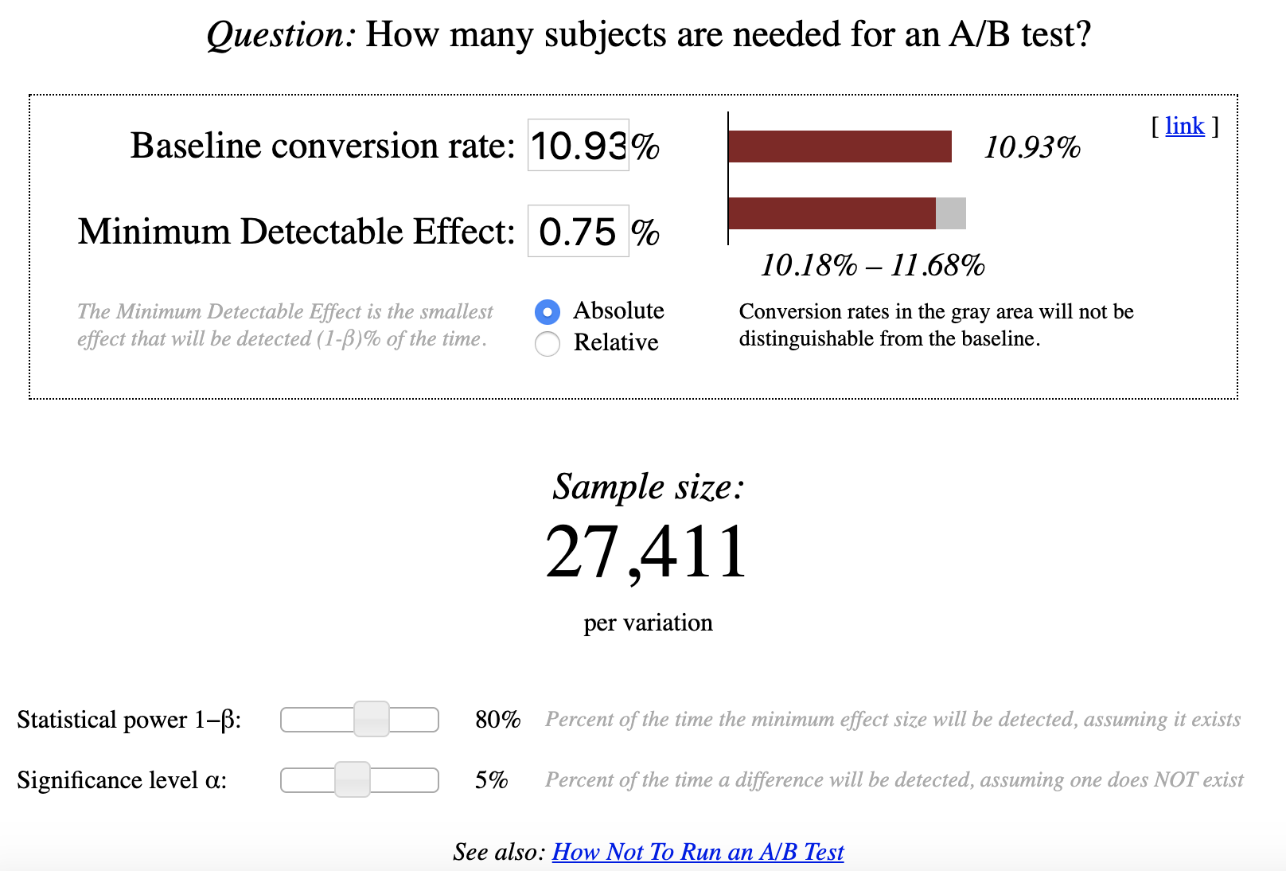
 |  |  |  | Ncont | 40000
 |  |  |  | Xcont | 3200
 |  |  |  | Nexp | 5000
 |  |  |  | Xexp | 400

 |  |  | 685275
 |  |  |  | SD=SQRT( P*(1-P) / (Ncon + Nexp)); Margin of error =SD*Z(1.96)
 |  |  | 0.5 | 5.555555556E-06 | 0.004619764304
 |  |  | 0.5 | 33.33333333 | 65.33333333

实验中不变指标是否合理：
 | 对于Number of cookies，Number of clicks，对照组实验组随机分布，满足P=0.5，可以用SD=SQRT( P*(1-P) / (Ncon + Nexp)), Margin of error =SD*Z(1.96), P就是CI的中心，加减M得出CI边界，再计算Pcon观察是否在CI中。
 | 对于Click-through-probability，计算Ppool, SD=SQRT( Ppool*(1-Ppool) / (1/Ncon + 1/Nexp)), CI中心是diff=0，观察实际diff是否在CI中。

 | Number of cookies
 | Number of clicks

